HDFCAALFOF

HDFC Asset Allocator Fund of Funds (An open ended fund of fund investing in equity oriented, Debt oriented and Gold ETF schemes) |  |  |  |  |  |  |  |  |  | Income | Hybrid
Portfolio as on 31-Oct-2024

 | ISIN | Coupon (%) | Name Of the Instrument | Industry+ /Rating | Quantity | Market/ Fair Value (Rs. in Lacs.) | % to NAV | Yield | ~YTC (AT1/Tier 2 bonds)
 | MONEY MARKET INSTRUMENTS
 | TREPS - Tri-party Repo
 |  |  | TREPS - Tri-party Repo |  |  | 12,448.55 | 3.71 | 6.2894
 | Sub Total |  |  |  |  | 12,448.55 | 3.71
 | Total |  |  |  |  | 12,448.55 | 3.71
 | OTHERS
 | Mutual Fund Units
| | INF179K01UT0 |  | HDFC Flexi Cap Fund - Direct Plan- Growth Option |  | 2,808,391 | 57,379.56 | 17.08
| | INF179K01YV8 |  | HDFC Top 100 Fund - Direct Plan - Growth Option |  | 4,523,493 | 54,606.11 | 16.25
| | INF179K01YM7 |  | HDFC Short Term Debt Fund - Growth Option - Direct Plan |  | 152,370,899 | 47,525.85 | 14.15
| | INF179KC1981 |  | HDFC Gold Exchange Traded Fund |  | 67,324,985 | 46,386.91 | 13.81
| | INF179K01VF7 |  | HDFC Low Duration Fund - Direct Plan - Growth Option |  | 32,692,027 | 19,409.91 | 5.78
| | INF179K01WI9 |  | HDFC Medium Term Debt Fund - Growth Option - Direct Plan |  | 32,044,992 | 18,482.53 | 5.50
| | INF179K01WL3 |  | HDFC Income Fund - Direct Plan - Growth Option |  | 23,088,733 | 14,068.63 | 4.19
| | INF179KA1RW5 |  | HDFC Small Cap Fund - Direct Plan- Growth Option |  | 8,179,455 | 12,916.91 | 3.84
| | INF179K01XQ0 |  | HDFC Mid Cap Opportunities Fund - Direct Plan - Growth Option |  | 6,143,220 | 12,567.55 | 3.74
| | INF179K01VQ4 |  | HDFC Floating Rate Debt Fund - Direct Plan - Growth Option |  | 21,459,019 | 10,346.04 | 3.08
 | INF179K01VS0 |  | HDFC Gilt Fund - Growth Option - Direct Plan |  | 15,053,555 | 8,315.01 | 2.47
 | INF179KC1BG0 |  | HDFC Banking & Financial Services Fund - Direct Plan - Growth Option |  | 36,020,809 | 5,963.97 | 1.78
 | INF179K01XD8 |  | HDFC Corporate Bond Fund - Growth Option - Direct Plan |  | 16,134,836 | 5,074.62 | 1.51
 | INF179KC1AO6 |  | HDFC Dividend Yield Fund - Direct Plan - Growth Option |  | 16,433,304 | 4,360.25 | 1.30
 | INF179KC1ET7 |  | HDFC Long Duration Debt Fund - Direct Plan - Growth Option |  | 28,087,193 | 3,331.56 | 0.99
 | INF179KA1RQ7 |  | HDFC Large and Mid Cap Fund - Direct Plan- Growth Option |  | 923,942 | 3,194.33 | 0.95
 | Net Current Assets
 |  |  | Net Current Assets |  |  | -409.96 | -0.13
 | Sub Total |  |  |  |  | 323,519.78 | 96.29
 | Total |  |  |  |  | 323,519.78 | 96.29

 | Grand Total |  |  |  |  | 335,968.33 | 100.00
| | Top Ten Holdings
 | + Industry Classification as recommended by AMFI
 | £ - Sponsor Company
 | ** Thinly Traded/ Non-Traded Securities (Equity) as on October 31, 2024
 | ^ Non-Traded Securities (Debt) as on October 31, 2024
 | # Non Sensex Scrips
 | @ Less than 0.01%.
 | ~ YTC i.e. Yield to Call is disclosed at security level only for Additional Tier 1 Bonds and Tier 2 Bonds issued by Banks as per AMFI Best Practices Notification 135/BP/91/2020-21 read with SEBI circular SEBI/HO/IMD/DF4/CIR/P/2021/034

 | Portfolio Classification by Asset Class(%)
 | Mutual Fund Units |  | 96.42
 | Cash, Cash Equivalents and Net Current Assets |  | 3.58
 | Portfolio Classification by Rating Class(%)
 | Cash, Cash Equivalents and Net Current Assets |  | 100.00

 | Notes :
 | 1) NAV History
 | NAVs per unit (Rs.) | October 31, 2024 | September 30, 2024
 | IDCW Option | 17.109 | 17.350
 | IDCW Option - Direct Plan | 17.839 | 18.073
 | Growth Option | 17.109 | 17.350
 | Growth Option - Direct Plan | 17.839 | 18.073

 | Dividend History - Dividend declared during the month ended October 31, 2024 : Nil

 | Bonus History - Bonus declared during the month ended October 31, 2024: Nil

 | 2) Total below investment grade or default provided for and its percentage to NAV : Nil
 | 3) Total investments in Foreign Securities / Overseas ETFs / ADRs / GDRs : Nil
 | 4) Repo in Corporate Debt : Nil
 | 5) Total outstanding exposure in Derivative Instruments as on Oct 31, 2024 : Nil
 | 6) IDCW stands for Income Distribution cum Capital Withdrawal
 | 7) Riskometer based on Scheme Portfolio and Portfolio Benchmark "90% NIFTY 50 Hybrid Composite Debt 65:35 Index (Total Returns Index) and 10% Domestic Prices of Gold derived as per regulatory norms" as on Oct 31, 2024

 | Scheme Riskometer:
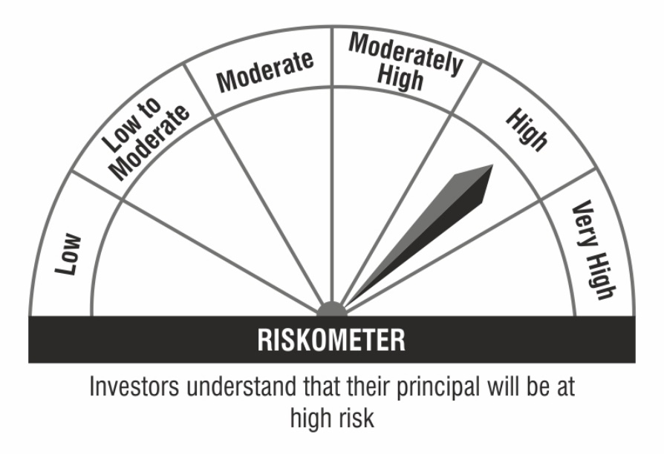

 | Benchmark Riskometer:

